Methodology
Process for Developing List of LM Priority Chemicals (2016-2020)

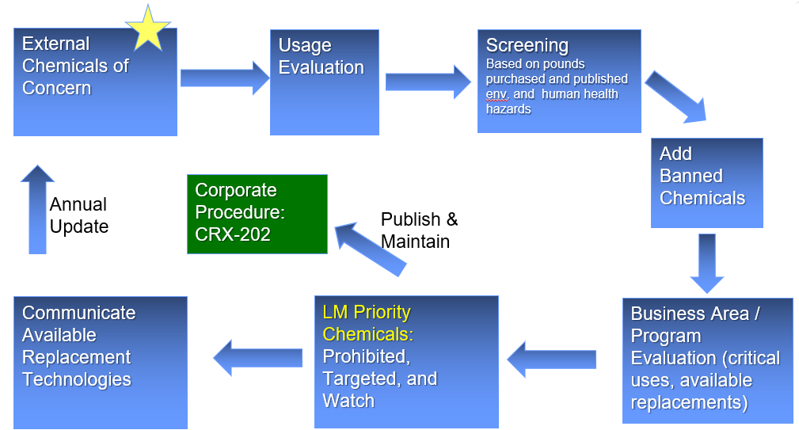

Details on Methodology
1. Identified external chemicals of concern most relevant to Lockheed Martin

2. Compared LM's Chemical use data (In Lynx, TcMIS, MFC Grand Prairie TX chemicals use data, SSC chemicals use database) to external chemicals of concern
The links to these databases are provided below:
Space Systems Chemical Tracking and Management System (CTMS) http://grave.us.lmco.com:8080/cf/ctms/search/search.cfm?
Haas TcMIS https://www.tcmis.com/
Haas Lynx https://secure.avchem.com/lynx/portal/login.aspx?cmd=go&ik=Lynx&v=5.0.5000.5&redirectUrl=https%3a%2f%2fsecure.avchem.com%2flynx%2fportal%2fDefault.aspx

3. Assessed Human Health Hazards
 | Assessed hazards from 3 major lists: California SCP Candidate List, EU CLP Regulation's Table 3.1 (GHS Hazards) and Annex 1 of EC 67/548/EC (from the online ESIS database)
 | For all Group 1 human health hazards (carcinogens, mutagens and reproductive toxins) and all aquatic toxins, endocrine disruptors or, bioaccumulative toxins, assigned 1 point for each of these hazards.
 | eg: C 1, M 1, R 1 = 3 pts.
 | Assigned letter corresponding to point total
 | 1a=5 pts, 1b=4 pts, 1c=3 pts, 1d=2 pts, 1e=1 pt. 1f= 0 pts (although even 1f may still be a Benchmark 1 and very hazardous).
 | This is a subjective prioritization and does not consider end products, cocktail effects in mixtures, exposure effects, etc.
 | The basis for choosing the above hazard categories is that these are the hazards which GreenScreen draws from to assign a Benchmark 1 status.

4. To Identify LM Target Chemicals:
(1) Selected chemicals that were assigned 1a, 1b, or 1c (3 or more human health hazards) AND over 100 pounds used
(2) Also selected chemicals that were assigned 1a, 1b, or 1c AND were on REACH SVHC Authorization list, even if they were under 100 pounds
(3) Also included Chemicals that were on all lists (REACH SVHC, NAVSEA PCCL Prohibited list and DOD Action list), even if they were under 100 pounds
(4) Also included BA banned chemicals (Aero banned, MFC banned and waiver chemicals)

5. Toxicologist completed review of process and resulting LM Target Chemicals list (2016)
Made recommendations to remove chemicals based either studies that did not conclusively show human health impacts to humans, or substance that could not be substituted at this time.
Made recommendations to add chemicals to did not meet LM's screening criteria in Step 4 for reasons specified in the details file (e.g. published reprodutive toxins)

6. Definition of watch, targeted and prohibited chemicals:

External COC list - all chemicals listed on the relevant external COC lists

Prohibited – human health hazards, on regulatory lists, liability and cost to the corporation (Env permits, remediation, risk reduction)
· Aero and MFC banned chemicals that we do not use, also evaluate chemicals that we use in small quantities (discuss with BAs) for potential prohibition
· TCE (largest remediation chemical)
· Targeted chemicals with little to no use

Targeted –
· REACH SVHCs; and chemicals with 3 or more human health hazards that were purchased more than 100 pounds (annual)
· BA banned chemicals that we use where there would be an impact to programs if banned
· Chemicals that we use (need to evaluate) | Include other banned chemicals (including Minimata convention on Mercury and TSCA bans) - evaluate for potential prohibition

Watch list – External COC chemicals that LM uses, which are not on prohibited or target lists

Methodology for Screening of LM Priority Chemicals - 2017 and 2018/2019 Additions

1. Compared LM's Chemical use data (In Lynx, TcMIS, and CTMS) to External Chemicals of concern substances
2. Assessed Human Health Hazards
 | Assessed hazards from 3 major lists: California SCP Candidate List, EU CLP Regulation's Table 3.1 (GHS Hazards) and Annex 1 of EC 67/548/EC (from the online ESIS database). Used Pharos database to make final assessment.
 | For all Group 1 human health hazards (carcinogens, mutagens and reproductive toxins) and all aquatic toxins, endocrine disruptors or, bioaccumulative toxins, assigned 1 point for each of these hazards.
 | eg: C 1, M 1, R 1 = 3 pts.
 | Assigned letter corresponding to point total
 | 1a=5 pts, 1b=4 pts, 1c=3 pts, 1d=2 pts, 1e=1 pt. 1f= 0 pts (although even 1f may still be a Benchmark 1 and very hazardous).
 | This is a subjective prioritization and does not consider end products, cocktail effects in mixtures, exposure effects, etc.
 | The basis for choosing the above hazard categories is that these are the hazards which GreenScreen draws from to assign a Benchmark 1 status.

3. To screen for LM Priority Chemicals:
(1) Selected chemicals that were assigned 1a, 1b, or 1c (3 or more human health hazards) AND over 100 pounds used
(2) Also selected chemicals that were assigned 1a, 1b, or 1c AND were on REACH SVHC Authorization list, even if they were under 100 pounds
(3) Also included Chemicals that were on all lists, even if they were under 100 pounds
(4) Also included REACH Authorization Chemicals (with Sunset dates) even if they were under 100 pounds
(5) Include all mercury compounds listed on the AIA NAS 411-1 list (New for 2017)
(6) Include all of the TSCA "10" Priority Chemicals (2016) (New for 2017)

4. Compared chemicals that met screening criteria (1), (2) or (3) to LM Priority Chemicals list in CRX-202 (2016). If chemical is not on 2016 prohibited or targeted list, recommended to be added to the list.

Additional Notes - February 2019 Update
Chromates - keep on targeted list. Will need at least 5 years or more to find replacements before moving them to prohibited list. Conversion coating (& anodize seal) continues to be a challenge for eliminating hexavalent chromium.
For NEW REACH Authorization list substances, keep on Watch list for a year to allow for evaluate of alternatives and uses
For substances where we are working with suppliers or industry groups on REACH authorization (Annex XIV) (e.g. NPE/OPE) add to WATCH substance list (do not prohibit or target for existing uses) until the Authorization expires

Methodology for March 2021 Update to List
Process Step | Notes
1. Identify priority restricted chemicals lists - Develop Chem Master List | Top Priorities for 2020 Updates
CESH Input | Priority regulatory restrictions (From Mike Anderson and Lisa Brown)
REACH Authorization List Chemicals | REACH chemicals with sunset dates - potential supply and obsolescence risks
LM REACH SVHCs - LM Priority List | Prioritized based on risk to LM during May 2020 REACH Summit
TSCA 20 High Priority Chemicals | EPA conducting risk evaluations for 20 chemicals designated as high priority (restricted in 4-5 years)
TSCA Top 10 Priority Chemicals | Will be fully or partially restricted in less than 2 years
AIA NAS 411 (DoD) Prohibited Chemicals | Cannot be used unless waiver requested for use, when NAS411 requirement is on contract
LM Priority Replacement Projects | Prioritized based on LM programs' need for identifying replacements
Remediation Emerging Chemicals List | Remediation chemicals of concern maintained by LM remediation group for risk assessment efforts (Brian Thorne)

2. Are replacement projects available? | Yes or No
If Yes, Prohibited chemical
If No, Step #3

3. Does LM have exclusions or exemptions to use the substance? | Yes or No
If Yes, Targeted chemical
If No, NA (Prohibited prefiltered, remaining CASs are undefined at this step) | If not selected for targeted, add to watch list

4. Compare to current CRX-202 Prohibited, Targeted, or Watch list to identify proposed additions | Is it already on one of the lists?
Prohibited, Targeted, Watch, or None

5. Compare to BA and program site use in Tableau (Chemical Use databases) | Identify critical uses - enage with BAs where there is use of the proposed additions
If there is significant BA usage for recommended Prohibited Substances, move to Targeted substances list

6. Stakeholder review and feedback

Definitions:
Prohibited - cannot use without waiver
Targeted - cannot be used in new programs or applications without waiver
Watch - included for awareness due to potential for regulatory action – Future program risk

CRX-202 Procedure Located HERE

